Brazil - Passengers carried by
Brazil - Passengers carried by air transport

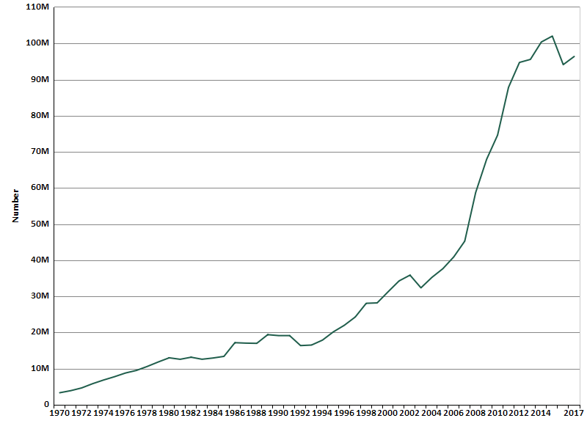

Source:

Created with knoema.com

